Calculating test statistic
Null hypothesis: The average annual salary of people in Africa is normally distributed.
Alternative hypothesis: The average annual salary of people in Africa is NOT normally distributed.
Index (i) | Sorted average (Y_i) | CDF hypothesised (F(Y_i)) | i/n (ECDF) | (i-1)/n (ECDF) | |i/n - F(Y_i)| | |F(Y_i) - (i-1)/n|
 |  |  |  |  |  |  | Mean
 |  |  |  |  |  |  | Standard deviation
 |  |  |  |  |  |  | Sample size
 |  |  |  |  |  |  | D

 |  |  |  |  |  |  | Level of significance (alpha)
 |  |  |  |  |  |  | Critical value
 |  |  |  |  |  |  | Reject or fail to reject? | Reject H_0 | Reject H_0
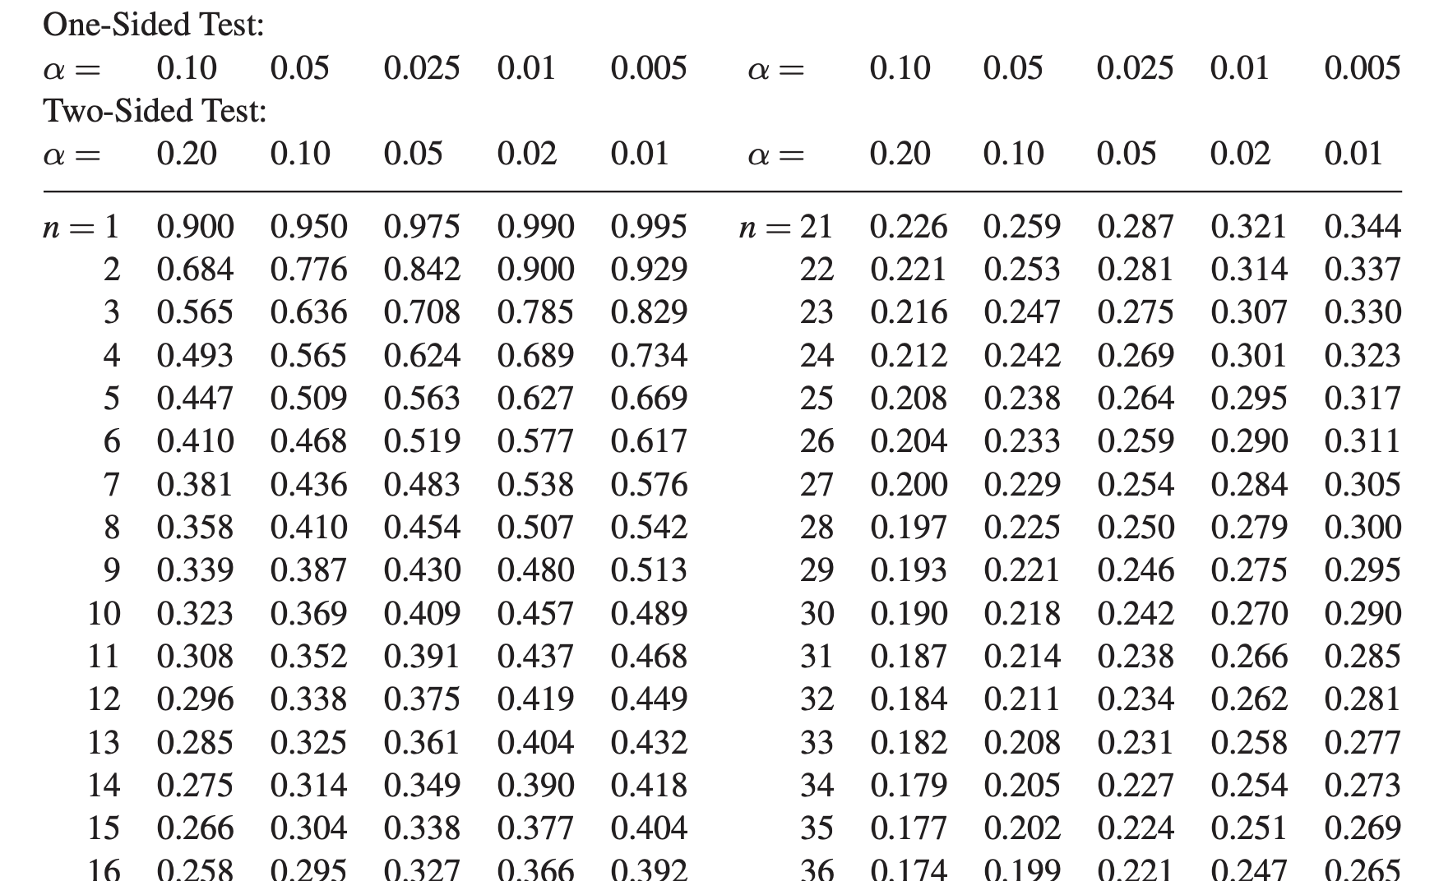

CDF and ECDF
ECDF difference terms

